Break Even Point
Cost, Revenue and Net Income
Cumulative user amount and New user amount
 |  |  |  |  |  |  |  |  | The three graphs to the left show the five year projection of our cost/revenue, user base, and cash flow statements.
 |  |  |  |  |  |  |  |  | The break even point will be met at the beginning of year 3 according to the cost/revenue plot.
 |  |  |  |  |  |  |  |  | The user base will increase to 2,122,376, which stands for a 42.4% market share.
 |  |  |  |  |  |  |  |  | The data of all the plots are based off of the our business model and market strategy e.g. the free trail and discount rate.

Years | 2019 | 2020 | 2021 | 2022 | 2023 | 2024 | 2025 | 2026
Cash Flow($) | -600,000 | -148,412 | 838,813 | 2,443,260 | 4,210,442 | 6,421,941 | 12,231,946 | 19,948,745

Years | 2020 | 2021 | 2022 | 2023 | 2024 | 2025 | 2026 | 2027
Cost | 799,204 | 1,480,668 | 2,187,236 | 3,248,914 | 5,923,149 | 7,421,904 | 9,421,041 | 10,231,045
Revenue | 348,025 | 2,730,320 | 5,279,970 | 9,321,041 | 13,042,104 | 17,420,144 | 21,021,033 | 25,021,401
Cash Flow($) vs. Years
Net Income | -329,360 | 912,246 | 2,257,696 | 4,432,653 | 5,196,837 | 7,298,715 | 8,467,994 | 10,796,960

Years | 2020 | 2021 | 2022 | 2023 | 2024 | 2025 | 2026 | 2027
Cumulative user amount | 68,210 | 341,242 | 869,239 | 1,470,272 | 2,122,376 | 2,824,484 | 3,566,588 | 4,269,798
New user amount | 68,210 | 273,032 | 527,997 | 601,033 | 652,104 | 702,108 | 742,104 | 703,210

Sources
Online Course = $14/person |  | Subscription Packages
Hiring Certified Professional = $50-70/person |  | Company Size | Price per Person | Estimated Earnings | Online Course Cost | Cost Savings | Hiring Professional Cost | Cost Savings
 |  | 0-5000 employees | $9.99 | 0-$50,000 | 0-$70,000 | 0-$20,000 | 0-$350,000 | 0-$300,000
Discount/Trials initial month |  | 5000-10,000 employees | $8.99 | $45,000-$90,000 | $70,000-$140,000 | $25,000-$50,000 | $250,000-$700,000 | $205,000-$560,000
 |  | 10,000++ employees | $7.99 | $80,000++ | $140,000++ | $50,000++ | $700,000++ | $620,000++
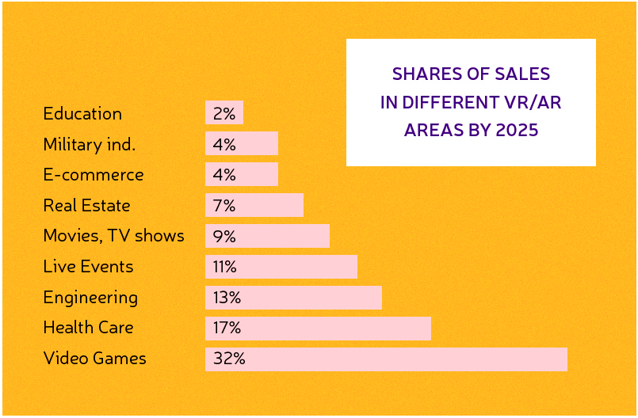
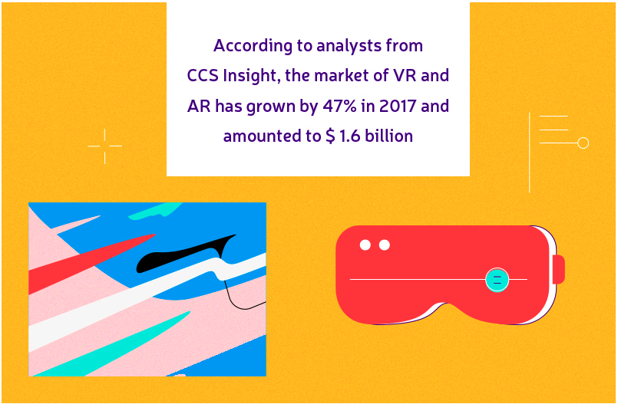

Fixed Costs
R&D/Engineering
Marketing
Ads

Variable Costs
Partinership costs with Red Cross
Labors to teach trainers IT
Transport?

Pokemon GO Development Costs
Client Application and Game Design | $100,000
UI/UX | $80,000
Back End | $80,000
Server Expenses | $150,000
QA and Testing | $50,000
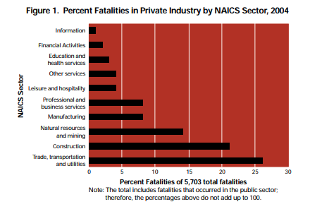
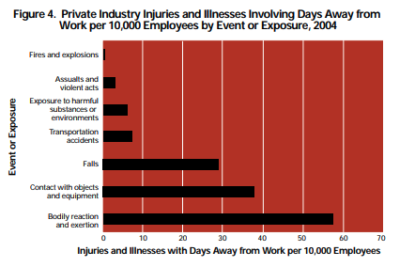
Models and Animation | $100,000
Sound | $20,000
Management | $20,000

Sources
 | According to Mercer and the National Association of Worksite Health Centers, ⅓ of companies with more than 5,000 employees now offer general medicinal clinics at their work sites. The DMA database shows that in the US, there are 1,700 companies with 5,000-9,999 employees, and 1,800 companies with 10,000+ employees.

AR App Cost | https://agilie.com/en/blog/how-much-does-it-cost-to-build-an-augmented-reality-app

Mobile App for Hospitals | https://agilie.com/en/blog/10-reasons-why-your-hospital-needs-an-app-hospital-mobile-app-development-tips

Pokemon Go Cost | https://www.cleveroad.com/blog/how-much-does-it-cost-to-create-an-app-like-pokemon-go
 | https://www.quora.com/How-much-did-it-cost-to-build-Pok%C3%A9mon-GO

OSHA report first aid | https://www.osha.gov/Publications/OSHA3317first-aid.pdf

